Coal and Lignite
2014 Price |  |  | 2019 Price
Coal |  |  | Source: | http://www.coalcontroller.gov.in/writereaddata/files/download/coaldirectory/CoalDirectory2019-20.pdf
 |  |  | Table 6.8 : PIT HEAD (Run of Mine) PRICE (Rupees Per Tonne) OF NON-COKING COAL OF COAL INDIA LTD
Coal plant efficiency | 0.75 | kg/kWh | Applicable to power utilities, fertilizer and defense sectors
Coal electricity cost | 225.35 | 2014 paise/kWh | Grade 13 (3400 - 3700 GCV band), 01-04-19 to 31-03-20
 | 2.2535 | 2014 Rs/kWh | 817 | 2019 Rs/tonne
 | 3.00 | 2014 Rs/kg | 0.817 | 2019 Rs/kg
 | 1.17E-04 | 2014 Rs/BTU | 3.169510012E-05 | 2019 Rs/BTU
 | 1.70E-06 | 2014 USD/BTU | 2.1421713182E-05 | 2012 Rs/BTU
 | 1.65E-06 | 2012 USD/BTU | 3.3825537948E-07 | 2012 USD/BTU

This is the price of coal in 2014. We will scale based on coal pit head prices
(not retail prices) in 2019, for coal and for lignite, to estimate coal and |  |  | Table 6.9 : PIT HEAD (Run of Mine) PRICE (Rupees Per Tonne) OF NON-COKING COAL OF COAL INDIA LTD
lignite retail prices in 2019. |  |  | Applicable to sectors other than power utilities, fertilizer and defense
 |  |  | Grade 13 (3400 - 3700 GCV band), 01-04-19 to 31-03-20
Coal | 2014 | 2019 | 980 | 2019 Rs/tonne
Production | 565.8 | 730.9 | 0.98 | 2019 Rs/kg
Pit head value | 825348 | 1110044 | 3.8018602347E-05 | 2019 Rs/BTU
Value per unit produced | 1459 | 1519 | 2.5695567832E-05 | 2012 Rs/BTU
 |  |  | 4.0574084687E-07 | 2012 USD/BTU
Lignite | 2014 | 2019
Production | 44.3 | 42.1
Pit head value | 59675.3 | 65114
Value per unit produced | 1347.1 | 1547

Domestic Coal and Lignite Power Sector Price Estimates
coal | 1.7141767535E-06 | 2012 USD/BTU
lignite | 1.8905991542E-06 | 2012 USD/BTU

Imported Coal Price

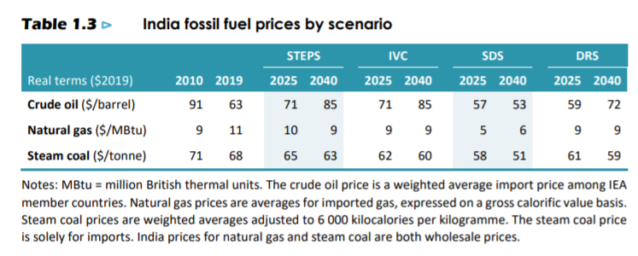
 |  |  |  | coal | 2019 USD / tonne | 68
 |  |  |  | coal | 2012 USD / BTU | 2.8566363443E-06

kcal per BTU | 3.96737 | https://www.convertunits.com/from/btu/to/kcal

Weighted Average Coal Price

hard coal | 1.9762036529E-06
lignite | 1.8905991542E-06
*India has effectivly 0 lignite imports, so the domestic lignite price is taken for this file

Natural Gas
All Sectors Except Power

 | Average end user price (2019 USD/BTU) | 0.000012
 | Average end user price (2019 USD/BTU) | 1.0776657788E-05

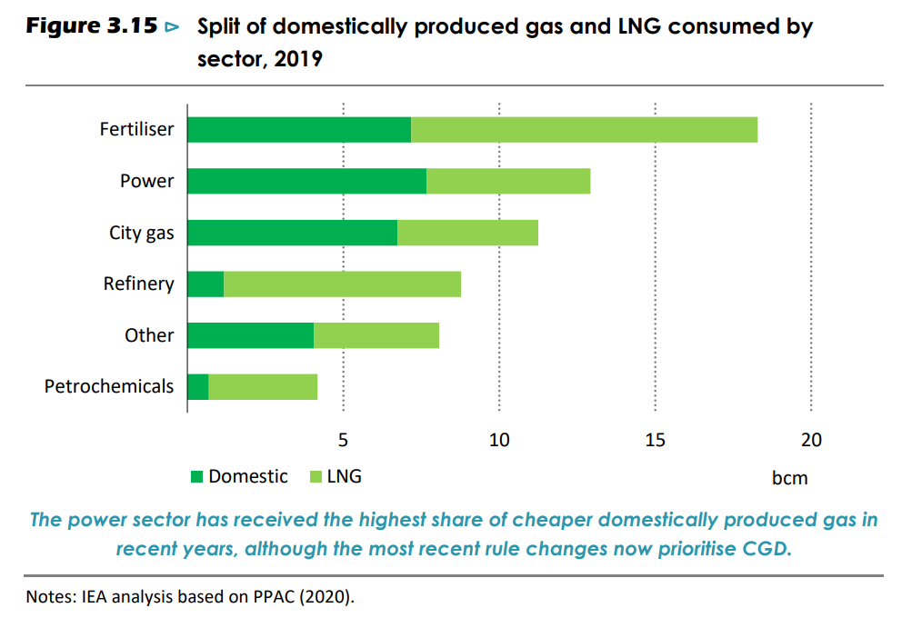
Power Sector
 |  |  | domestic bar | whole bar
 |  | Number of pixels, Power bar | 147 | 247

 |  | % domestic in power sector | 60%

 |  | power sector price ($/MMBtu) | 7.28
 |  | power sector price (2019 USD/BTU) | 7.2803643725E-06
 |  | power sector price (2012 USD/BTU) | 6.5381662843E-06

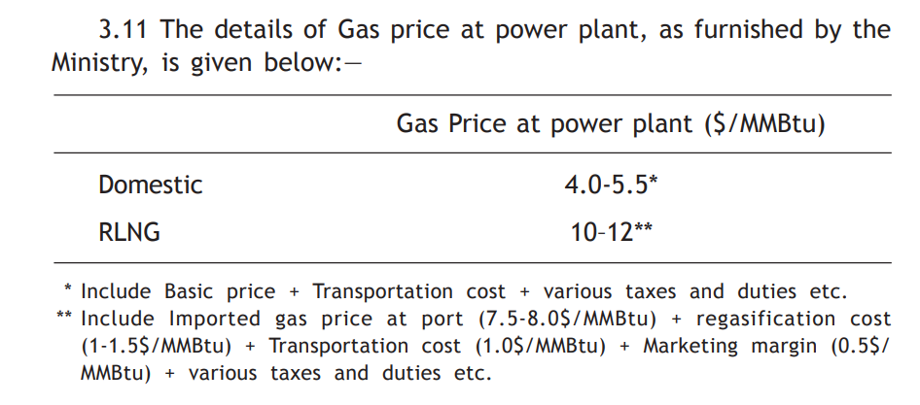

 |  | average domestic price | 4.75
 |  | average RLNG | 11

LPG
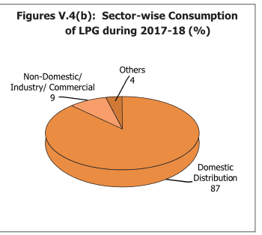
Liquefied Petroleum Gas (Domestic) (₹/14.2 Kg Cyl)
2018 | Delhi | Kolkata | Mumbai | Chennai
Retail Selling Price | 653.5 | 625.47 | 675.99 | 663.86
Note: cost before subsidy deduction as subsidies per unit energy are handled in 'BAU Subsidies' variable
LPG Average Cost | 654.705 | 2018 Rs/cyl
 | 1.03E-03 | 2018 Rs/BTU
 | 7.49E-04 | 2012 Rs/BTU
 | 1.37E-05 | 2012 USD/BTU

Source: Indian Petroleum & Nat Gas Statistics 2017-18
Table IV.11, Page 78

 |  |  |  |  | Source: Indian Petroleum & Nat Gas Statistics 2017-18
 |  |  |  |  | Fig. V.4(b), Page 86

Petro Gasoline & Diesel
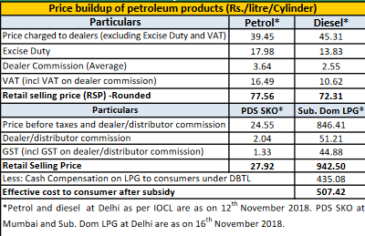
Petroleum Gasoline
As of Nov 2018
India Avg | 77.56 | 2018 rs/liter
 | 2.48E-03 | 2018 Rs/BTU
 | 1.80E-03 | 2012 Rs/BTU
 | 3.29E-05 | 2012 USD/BTU

Petroleum Diesel
As of Nov 2018
India Avg | 72.31 | 2018 rs/liter
 | 1.98E-03 | 2018 Rs/BTU
 | 1.44E-03 | 2012 Rs/BTU
 | 2.63E-05 | 2012 USD/BTU

 |  |  | Source: Snapshot of India's Oil & Gas Data, Oct 2018 (PPAC)
 |  |  | Table 23, Page 18

Crude Oil
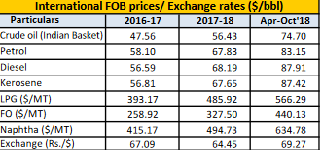
Year | Price
2017-18 | 56.43 | 2018 USD/bbl
Source: Snapshot of India's Oil & Gas Data, Oct 2018 (PPAC)
Table 23, Page 18
 | 56.43 | 2018 USD/bbl
 | 9.73E-06 | 2018 USD/BTU
 | 8.90E-06 | 2012 USD/BTU

Start Year Prices
 | Transportation Sector Price (2012 $/BTU) | Electricity Sector Price (2012 $/BTU) | Residential Buildings Sector Price (2012 $/BTU) | Commercial Buildings Sector Price (2012 $/BTU) | Industry Sector Price (2012 $/BTU)
electricity | 1.87E-05 | 0 | 1.87E-05 | 2.71E-05 | 1.86E-05
coal | 0 | 1.98E-06 | 0 | 0 | 2.37E-06
natural gas | 0.00E+00 | 0.00E+00 | 0 | 0 | 0.00E+00
nuclear | 0 | 7.40E-07 | 0 | 0 | 0
biomass | 0 | 3.22E-06 | 3.22E-06 | 3.22E-06 | 3.22E-06
petroleum gasoline | 3.29E-05 | 0 | 0 | 0 | 0
petroleum diesel | 2.63E-05 | 2.63E-05 | 7.93E-06 | 7.93E-06 | 2.63E-05
biofuel gasoline | 3.29E-05 | 0 | 0 | 0 | 0
biofuel diesel | 2.63E-05 | 2.63E-05 | 7.93E-06 | 7.93E-06 | 2.63E-05
jet fuel / kerosene | 2.55E-05 | 0 | 7.93E-06 | 7.93E-06 | 0
heat | 0 | 0 | 0 | 0 | 0
lignite | 0 | 1.89E-06 | 0 | 0 | 1.89E-06
crude oil | 0 | 8.90E-06 | 0 | 0 | 8.90E-06
heavy fuel oil | 0 | 1.73E-05 | 0 | 0 | 1.73E-05
LPG propane or butane | 0 | 0 | 1.37E-05 | 1.37E-05 | 1.37E-05
municipal solid waste | 0 | 2.03E-06 | 0 | 0 | 2.03E-06
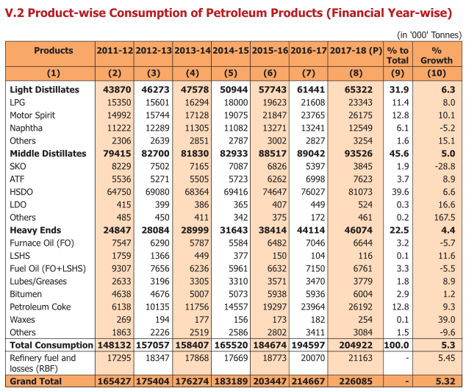
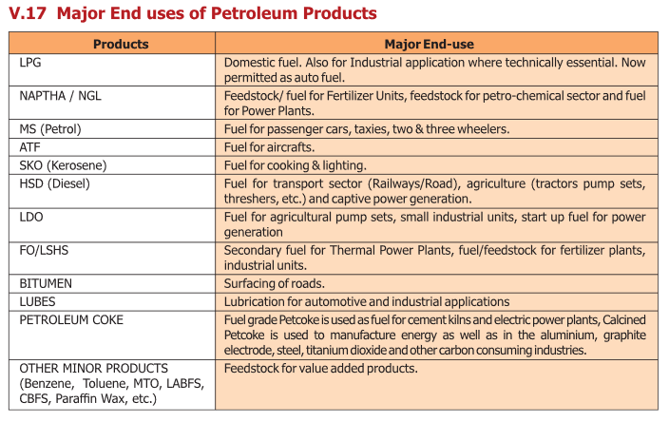

Source: Indian Petroleum & Nat Gas Statistics 2017-18
Table V.17, Page 95

 |  |  |  | Source: Indian Petroleum & Nat Gas Statistics 2017-18
 |  |  |  | Table V.2, Page 84

